Worksheet
 |  |  |  |  |  |  |  |  |  |  |  | 13194
IMAGE | SKU | BRAND | PRODUCT | GROUP | SEASON | GENDER | COLOR | COMPOSITION | MADE_IN_CODE | RETAIL PRICE | WHL PRICE | QTY | TU | 62 | 64 | XS | S | M | L | XL | XXL | 35 | 36 | 37 | 38 | 39 | 39.5 | 40 | 40.5 | 41 | 41.5 | 42 | 42.5 | 43 | 43.5 | 44 | 44.5 | 45 | 46 | 48 | 50 | 52 | 54 | 56 | 58 | 60
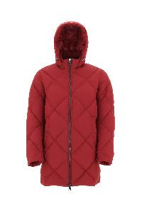 | PI000936U12458_6500 | Herno | DOWN JACKET | Clothing | FW | Man | CHERRY | 100% PL | RO | € 684.00 | € 253.33 | 7 |  |  |  |  |  |  |  |  |  |  |  |  |  |  |  |  |  |  |  |  |  |  |  |  |  |  |  |  | 7
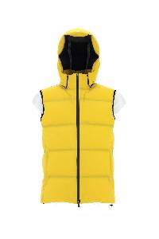 | PI00237UL12590S_3350 | Herno | DOWN JACKET | Clothing | FW | Man | YELLOW GOLD | 89% PA 11% EA | RO | € 830.00 | € 307.41 | 7 |  |  |  |  |  |  |  |  |  |  |  |  |  |  |  |  |  |  |  |  |  |  |  |  |  |  |  |  | 7
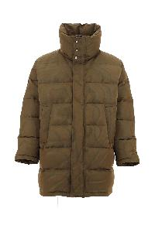 | PI000958U12467_3550 | Herno | DOWN JACKET | Clothing | FW | Man | ACID | 71% PA 29% PL | IT | € 668.00 | € 247.41 | 9 |  |  |  |  |  |  |  |  |  |  |  |  |  |  |  |  |  |  |  |  |  |  |  |  |  |  |  |  | 9
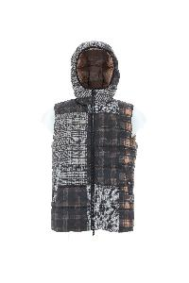 | PI000953U12476P_9325 | Herno | DOWN VEST | Clothing | FW | Man | GREY BROWN | 100% PL | IT | € 612.00 | € 226.67 | 6 |  |  |  |  |  |  |  |  |  |  |  |  |  |  |  |  |  |  |  |  |  |  |  |  |  |  |  |  | 6
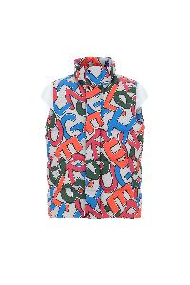 | PI000954U12474P_9999 | Herno | DOWN VEST | Clothing | FW | Man | MULTICOLOR | 100% PL | IT | € 768.00 | € 284.44 | 6 |  |  |  |  |  |  |  |  |  |  |  |  |  |  |  |  |  |  |  |  |  |  |  |  |  |  |  |  | 6
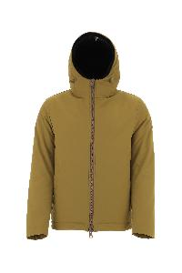 | GI000306U12343_3550 | Herno | JACKET | Clothing | FW | Man | ACID | 100% PL | IT | € 572.00 | € 211.85 | 5 |  |  |  |  |  |  |  |  |  |  |  |  |  |  |  |  |  |  |  |  |  |  |  |  |  |  |  |  | 5
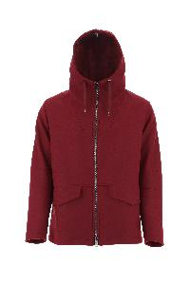 | GC000066U33344_6500 | Herno | JACKET | Clothing | FW | Man | CHERRY | 75% WV 25% PA | IT | € 858.00 | € 317.78 | 7 |  |  |  |  |  |  |  |  |  |  |  |  |  |  |  |  |  |  |  |  |  |  |  |  |  |  |  |  | 7
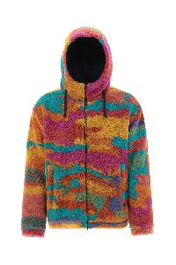 | GI000308U12480_9999 | Herno | JACKET | Clothing | FW | Man | MULTICOLOR | 100% PL | IT | € 606.00 | € 224.44 | 8 |  |  |  |  |  |  |  |  |  |  |  |  |  |  |  |  |  |  |  |  |  |  |  |  |  |  |  |  | 8
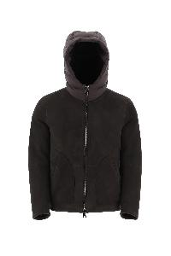 | PL000117U18122_8993 | Herno | MUTTON | Clothing | FW | Man | DARK BROWN | 100% MONTONE (OVIS ARIES) | IT | € 2880.00 | € 1066.67 | 4 |  |  |  |  |  |  |  |  |  |  |  |  |  |  |  |  |  |  |  |  |  |  |  |  |  |  |  |  | 4
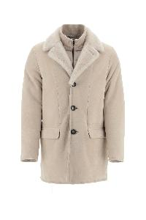 | PL000118U18122_1985 | Herno | MUTTON | Clothing | FW | Man | CHANTILLY | 100% MONTONE (OVIS ARIES) | IT | € 3344.00 | € 1238.52 | 5 |  |  |  |  |  |  |  |  |  |  |  |  |  |  |  |  |  |  |  |  |  |  |  |  |  |  |  |  | 5
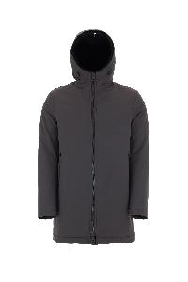 | PA0072U12343_8800 | Herno | PARKA | Clothing | FW | Man | FONDANT | 100% PL | IT | € 668.00 | € 247.41 | 1 |  |  |  |  |  |  |  |  |  |  |  |  |  |  |  |  |  |  |  |  |  |  |  |  |  |  |  |  | 1
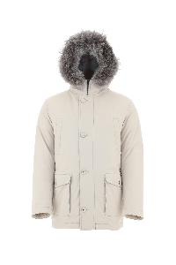 | PI000940U12343_1985 | Herno | PARKA | Clothing | FW | Man | CHANTILLY | 100% PL | IT | € 1232.00 | € 456.30 | 1 |  |  |  |  |  |  |  |  |  |  |  |  |  |  |  |  |  |  |  |  |  |  |  |  |  |  |  |  | 1
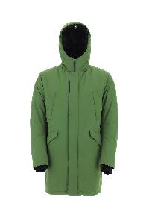 | PI100UL11121_7250 | Herno | PARKA | Clothing | FW | Man | EMERALD | 100% PL | RO | € 930.00 | € 344.44 | 6 |  |  |  |  |  |  |  |  |  |  |  |  |  |  |  |  |  |  |  |  |  |  |  |  |  |  |  |  | 6
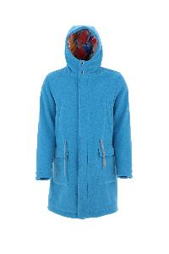 | PA000105U33342_9045 | Herno | PARKA | Clothing | FW | Man | BLUE | 100% WO | IT | € 1020.00 | € 377.78 | 9 |  |  |  |  |  |  |  |  |  |  |  |  |  |  |  |  |  |  |  |  |  |  |  |  |  |  |  |  | 9
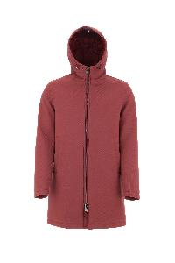 | PA000106U39500_6500 | Herno | PARKA | Clothing | FW | Man | CHERRY | 100% VI | IT | € 830.00 | € 307.41 | 9 |  |  |  |  |  |  |  |  |  |  |  |  |  |  |  |  |  |  |  |  |  |  |  |  |  |  |  |  | 9
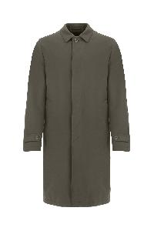 | IM000300U13158_7740 | Herno | RAIN COAT | Clothing | FW | Man | MILITARY | 83% CO 17% PA | IT | € 824.00 | € 305.19 | 1 |  |  |  |  |  |  |  |  |  |  |  |  |  |  |  |  |  |  |  |  |  |  |  |  |  |  |  |  | 1
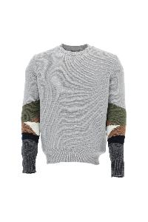 | MG00004UR70082_9404 | Herno | SWEATER | Clothing | FW | Man | WHITE | 100% WO | IT | € 398.00 | € 147.41 | 1 |  |  |  |  |  |  |  |  |  |  |  |  |  |  |  |  |  |  |  |  |  |  |  |  |  |  |  |  |  |  | 1
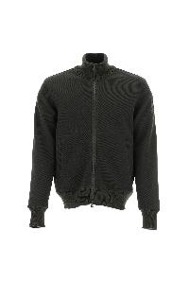 | JC000021U56005_7093 | Herno | SWEATER | Clothing | FW | Man | GREEN | 33% WO 33% PC 28% VI 5% PA 1% EA | MD | € 644.00 | € 238.52 | 2 |  |  |  |  |  |  |  |  |  |  |  |  |  |  |  |  |  |  |  |  |  |  |  |  |  |  |  |  | 2
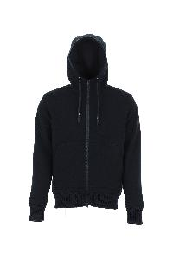 | JP000107U56005_9294 | Herno | SWEATER | Clothing | FW | Man | BLUE GREY | 33% WO 33% PC 28% VI 5% PA 1% EA | MD | € 700.00 | € 259.26 | 3 |  |  |  |  |  |  |  |  |  |  |  |  |  |  |  |  |  |  |  |  |  |  |  |  |  |  |  |  | 3
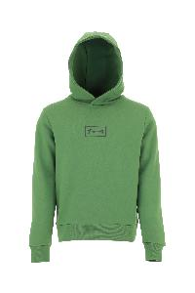 | JG00018UL50027_7250 | Herno | SWEATER | Clothing | FW | Man | EMERALD | 80% CO 20% PL | TR | € 180.00 | € 66.67 | 8 |  |  |  |  |  |  |  |  |  |  |  |  |  |  |  |  |  |  |  |  |  |  |  |  |  |  |  |  | 8
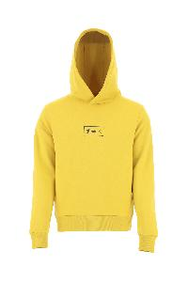 | JG00018UL50027_3350 | Herno | SWEATER | Clothing | FW | Man | YELLOW GOLD | 80% CO 20% PL | TR | € 180.00 | € 66.67 | 10 |  |  |  |  |  |  |  |  |  |  |  |  |  |  |  |  |  |  |  |  |  |  |  |  |  |  |  |  | 10
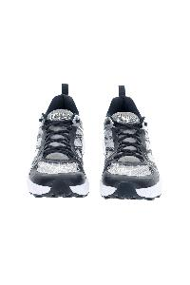 | SH002ULSHOE1_9200 | Herno | SNEAKERS | Shoes | SS | Man | NAVY | UPPER: 50% PL 50% PA SOLE: 100% EL | CN | € 256.00 | € 94.81 | 177 |  |  |  |  |  |  |  |  |  |  |  |  |  |  |  | 13 |  | 29 |  | 37 | 1 | 40 | 1 | 26 |  | 19 | 11
 | MC00029UR70151_7730 | Herno | CARDIGAN | Clothing | FW | M | MILITARY | 100% WO | IT | € 855.00 | € 316.67 | 5 |  |  |  |  |  |  |  |  |  |  |  |  |  |  |  |  |  |  |  |  |  |  |  |  |  |  |  |  | 5
 | JP00005UL50061_9290 | Herno | CARDIGAN | Clothing | FW | M | BLUE | 100% PL | IT | € 585.00 | € 216.67 | 6 |  |  |  |  |  |  |  |  |  |  |  |  |  |  |  |  |  |  |  |  |  |  |  |  |  |  |  |  | 6
 | MC00021UR70100_7730 | Herno | CARDIGAN | Clothing | FW | M | MILITARY | 100% WO | MD | € 755.00 | € 279.63 | 6 |  |  |  |  |  |  |  |  |  |  |  |  |  |  |  |  |  |  |  |  |  |  |  |  |  |  |  |  | 6
 | MC00022UR71009_7740 | Herno | CARDIGAN | Clothing | FW | M | MILITARY | 100% WS | IT | € 1365.00 | € 505.56 | 6 |  |  |  |  |  |  |  |  |  |  |  |  |  |  |  |  |  |  |  |  |  |  |  |  |  |  |  |  | 6
 | JC000033U50063_9200 | Herno | CARDIGAN | Clothing | FW | M | BLUE | 96% PA 4% EA | IT | € 515.00 | € 190.74 | 8 |  |  |  |  |  |  |  |  |  |  |  |  |  |  |  |  |  |  |  |  |  |  |  |  |  |  |  |  | 8
 | JC00011UL50061_1250 | Herno | CARDIGAN | Clothing | FW | M | ICE | 100% PL | IT | € 495.00 | € 183.33 | 8 |  |  |  |  |  |  |  |  |  |  |  |  |  |  |  |  |  |  |  |  |  |  |  |  |  |  |  |  | 8
 | MC00005UL70158_9200 | Herno | CARDIGAN | Clothing | FW | M | BLUE | 59% WV 39% PL 2% EA | IT | € 915.00 | € 338.89 | 8 |  |  |  |  |  |  |  |  |  |  |  |  |  |  |  |  |  |  |  |  |  |  |  |  |  |  |  |  | 8
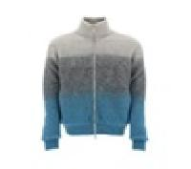 | MC00024UR76021_9010 | Herno | CARDIGAN | Clothing | FW | M | SKY | 57% PA 42% WP 1% EA | IT | € 880.00 | € 325.93 | 16 |  |  |  |  |  |  |  |  |  |  |  |  |  |  |  |  |  |  |  |  |  |  |  |  |  |  |  | 3 | 10 | 2 | 1
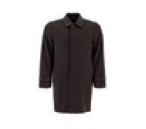 | CA0127U33318_8993 | Herno | COAT | Clothing | FW | M | BROWN | 90% WV 10% WS | IT | € 855.00 | € 316.67 | 7 |  |  |  |  |  |  |  |  |  |  |  |  |  |  |  |  |  |  |  |  |  |  |  |  |  |  |  |  | 7
 | CA000163U39601_8895 | Herno | COAT | Clothing | FW | M | FONDENT | 80% WO 20% PA | IT | € 895.00 | € 331.48 | 8 |  |  |  |  |  |  |  |  |  |  |  |  |  |  |  |  |  |  |  |  |  |  |  |  |  |  |  |  | 8
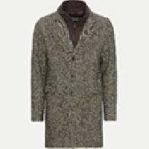 | CA000179U33389R_8800 | Herno | COAT | Clothing | FW | M | FONDENT | 58% WO 16% PC 13% PA 9% PL 4% WP | IT | € 970.00 | € 359.26 | 8 |  |  |  |  |  |  |  |  |  |  |  |  |  |  |  |  |  |  |  |  |  |  |  |  |  |  |  |  | 8
 | CA000162U12536_9300 | Herno | COAT | Clothing | FW | M | BLACK | 100% PL | CN | € 625.00 | € 231.48 | 9 |  |  |  |  |  |  |  |  |  |  |  |  |  |  |  |  |  |  |  |  |  |  |  |  |  |  |  |  | 9
 | CA000163U39601_9480 | Herno | COAT | Clothing | FW | M | GREY | 80% WO 20% PA | IT | € 895.00 | € 331.48 | 9 |  |  |  |  |  |  |  |  |  |  |  |  |  |  |  |  |  |  |  |  |  |  |  |  |  |  |  | 2 | 1 | 1 | 2 | 2 | 1
 | CA000180U12522_8993 | Herno | COAT | Clothing | FW | M | BROWN | 100% PL | IT | € 755.00 | € 279.63 | 9 |  |  |  |  |  |  |  |  |  |  |  |  |  |  |  |  |  |  |  |  |  |  |  |  |  |  |  |  | 9
 | CA000178U12522_9200 | Herno | COAT | Clothing | FW | M | BLUE | 100% PL | IT | € 795.00 | € 294.44 | 10 |  |  |  |  |  |  |  |  |  |  |  |  |  |  |  |  |  |  |  |  |  |  |  |  |  |  |  |  | 10
 | CA000177U33344_2720 | Herno | COAT | Clothing | FW | M | DOVE GREY | 75% WV 25% PA | IT | € 1035.00 | € 383.33 | 12 |  |  |  |  |  |  |  |  |  |  |  |  |  |  |  |  |  |  |  |  |  |  |  |  |  |  |  |  | 10 |  | 1 | 1
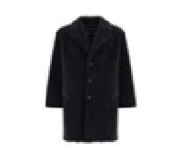 | CA000162U12536_2000 | Herno | COAT | Clothing | FW | M | SAND | 100% PL | RO | € 625.00 | € 231.48 | 44 |  |  |  |  |  |  |  |  |  |  |  |  |  |  |  |  |  |  |  |  |  |  |  | 2 |  |  | 7 | 12 | 14 | 7 | 2
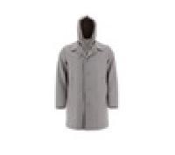 | CA000177U33344_2000 | Herno | DOWN JACKET | Clothing | FW | M | SAND | 75% WV 25% PA | IT | € 1035.00 | € 383.33 | 1 |  |  |  |  |  |  |  |  |  |  |  |  |  |  |  |  |  |  |  |  |  |  |  |  |  |  |  |  |  |  | 1
 | PI001040U12414_9200 | Herno | DOWN JACKET | Clothing | FW | M | BLUE | 100% PL | BG | € 780.00 | € 288.89 | 1 |  |  |  |  |  |  |  |  |  |  |  |  |  |  |  |  |  |  |  |  |  |  |  |  |  |  |  |  |  |  |  | 1
 | PI001073U12217S_7970 | Herno | DOWN JACKET | Clothing | FW | M | GREEN | 71% PA 29% EA | RO | € 865.00 | € 320.37 | 1 |  |  |  |  |  |  |  |  |  |  |  |  |  |  |  |  |  |  |  |  |  |  |  |  |  |  |  |  | 1
 | PI001078U12414_5880 | Herno | DOWN JACKET | Clothing | FW | M | ORANGE | 100% PL | IT | € 975.00 | € 361.11 | 1 |  |  |  |  |  |  |  |  |  |  |  |  |  |  |  |  |  |  |  |  |  |  |  |  |  |  |  |  | 1
 | PI00226UL11106_1250 | Herno | DOWN JACKET | Clothing | FW | M | ICE | 100% PL | RO | € 845.00 | € 312.96 | 1 |  |  |  |  |  |  |  |  |  |  |  |  |  |  |  |  |  |  |  |  |  |  |  |  |  |  |  |  |  | 1
 | PI00310UL11123_9300 | Herno | DOWN JACKET | Clothing | FW | M | BLACK | 100% PL | RO | € 815.00 | € 301.85 | 1 |  |  |  |  |  |  |  |  |  |  |  |  |  |  |  |  |  |  |  |  |  |  |  |  |  |  |  |  | 1
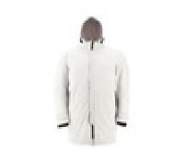 | PI00310UL11123_9489 | Herno | DOWN JACKET | Clothing | FW | M | BLACK | 100% PL | RO | € 815.00 | € 301.85 | 1 |  |  |  |  |  |  |  |  |  |  |  |  |  |  |  |  |  |  |  |  |  |  |  |  |  |  |  | 1
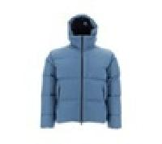 | PI00320UL12695_9300 | Herno | DOWN JACKET | Clothing | FW | M | BLACK | 100% PA | RO | € 825.00 | € 305.56 | 1 |  |  |  |  |  |  |  |  |  |  |  |  |  |  |  |  |  |  |  |  |  |  |  |  |  |  |  |  |  |  |  | 1
 | PI00322UL11106_1250 | Herno | DOWN JACKET | Clothing | FW | M | ICE | 100% PL | RO | € 835.00 | € 309.26 | 1 |  |  |  |  |  |  |  |  |  |  |  |  |  |  |  |  |  |  |  |  |  |  |  |  |  |  |  |  | 1
 | PI00326UL12805_9217 | Herno | DOWN JACKET | Clothing | FW | M | BLUE | 100% PA | IT | € 850.00 | € 314.81 | 1 |  |  |  |  |  |  |  |  |  |  |  |  |  |  |  |  |  |  |  |  |  |  |  |  |  |  |  |  | 1
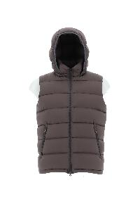 | PI0767U12403_7740 | Herno | DOWN JACKET | Clothing | FW | M | MILITARY | 100% PA | AM | € 615.00 | € 227.78 | 1 |  |  |  |  |  |  |  |  |  |  |  |  |  |  |  |  |  |  |  |  |  |  |  |  |  |  |  | 1
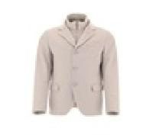 | GA0098U38020_9290 | Herno | DOWN JACKET | Clothing | FW | M | BLUE | 100% WS | IT | € 1565.00 | € 579.63 | 2 |  | 1 | 1
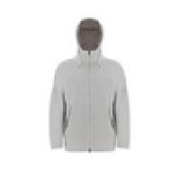 | GI00039UR33381_7730 | Herno | DOWN JACKET | Clothing | FW | M | MILITARY | 75% WV 25% PA | RO | € 890.00 | € 329.63 | 2 |  |  |  |  |  |  |  |  |  |  |  |  |  |  |  |  |  |  |  |  |  |  |  |  |  |  |  | 1 |  | 1
 | ML00003UR70145_7730 | Herno | DOWN JACKET | Clothing | FW | M | MILITARY | 100% WO | MD | € 615.00 | € 227.78 | 2 |  |  |  |  |  |  |  |  |  |  |  |  |  |  |  |  |  |  |  |  |  |  |  |  |  |  |  |  | 2
 | PI001065U12020_9300 | Herno | DOWN JACKET | Clothing | FW | M | BLACK | 100% PA | IT | € 995.00 | € 368.52 | 2 |  |  |  |  |  |  |  |  |  |  |  |  |  |  |  |  |  |  |  |  |  |  |  |  |  |  |  |  | 1 |  | 1
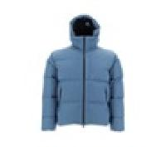 | PI00320UL12695_1250 | Herno | DOWN JACKET | Clothing | FW | M | ICE | 100% PA | RO | € 825.00 | € 305.56 | 2 |  |  |  |  |  |  |  |  |  |  |  |  |  |  |  |  |  |  |  |  |  |  |  |  |  |  |  | 1 | 1
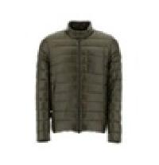 | PI00091UR12017_9120 | Herno | DOWN JACKET | Clothing | FW | M | SMURF | 100% PA | RO | € 595.00 | € 220.37 | 3 |  |  |  |  |  |  |  |  |  |  |  |  |  |  |  |  |  |  |  |  |  |  |  |  |  |  | 1 | 1 | 1
 | GA000153U33377_9478 | Herno | DOWN JACKET | Clothing | FW | M | GREY | 100% WV | IT | € 895.00 | € 331.48 | 4 |  |  |  |  |  |  |  |  |  |  |  |  |  |  |  |  |  |  |  |  |  |  |  |  |  |  |  |  | 4
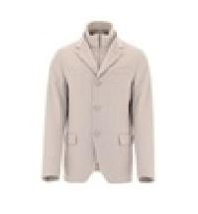 | GA0098U38020_9480 | Herno | DOWN JACKET | Clothing | FW | M | GREY | 100% WS | IT | € 1565.00 | € 579.63 | 4 |  |  |  |  |  |  |  |  |  |  |  |  |  |  |  |  |  |  |  |  |  |  |  |  |  |  | 1 | 1 |  | 1 |  | 1
 | PI001079U12220_7740 | Herno | DOWN JACKET | Clothing | FW | M | MILITARY | 100% PA | RO | € 635.00 | € 235.19 | 4 |  |  |  |  |  |  |  |  |  |  |  |  |  |  |  |  |  |  |  |  |  |  |  |  |  |  |  |  | 4
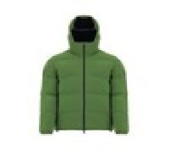 | PI00257UL12590S_9217 | Herno | DOWN JACKET | Clothing | FW | M | BLUE | 89% PA 11% EA | RO | € 915.00 | € 338.89 | 5 |  |  |  |  |  |  |  |  |  |  |  |  |  |  |  |  |  |  |  |  |  |  |  |  |  |  |  |  | 5
 | PI0767U12403_9200 | Herno | DOWN JACKET | Clothing | FW | M | BLUE | 100% PA | AM | € 615.00 | € 227.78 | 5 |  |  |  |  |  |  |  |  |  |  |  |  |  |  |  |  |  |  |  |  |  |  |  |  |  |  |  |  | 3 | 1 |  | 1
 | PI108UL11106_1250 | Herno | DOWN JACKET | Clothing | FW | M | ICE | 100% PL | RO | € 765.00 | € 283.33 | 5 |  |  |  |  |  |  |  |  |  |  |  |  |  |  |  |  |  |  |  |  |  |  |  |  |  |  |  |  | 1 | 2 | 1 | 1
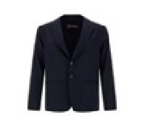 | GA0006UCB12545S_9200 | Herno | DOWN JACKET | Clothing | FW | M | BLUE | 89% PL 11% EA | BG | € 765.00 | € 283.33 | 6 |  |  |  |  |  |  |  |  |  |  |  |  |  |  |  |  |  |  |  |  |  |  |  | 1 |  |  | 1 | 1 | 2 |  |  |  |  | 1
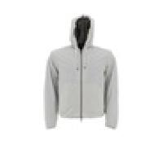 | GI00034UR12431S_1985 | Herno | DOWN JACKET | Clothing | FW | M | CHANTILLY | 86% PA 14% EA | IT | € 680.00 | € 251.85 | 6 |  |  |  |  |  |  |  |  |  |  |  |  |  |  |  |  |  |  |  |  |  |  |  |  |  |  | 1 | 1 | 3 | 1
 | MC00020UR70145_1310 | Herno | DOWN JACKET | Clothing | FW | M | ICE | 100% WO | MD | € 895.00 | € 331.48 | 6 |  |  |  |  |  |  |  |  |  |  |  |  |  |  |  |  |  |  |  |  |  |  |  |  |  |  |  |  | 6
 | MC00026UR70146_1310 | Herno | DOWN JACKET | Clothing | FW | M | ICE | 100% WO | MD | € 825.00 | € 305.56 | 6 |  |  |  |  |  |  |  |  |  |  |  |  |  |  |  |  |  |  |  |  |  |  |  |  |  |  |  | 1 | 5
 | ML00003UR70145_1310 | Herno | DOWN JACKET | Clothing | FW | M | ICE | 100% WO | MD | € 615.00 | € 227.78 | 6 |  |  |  |  |  |  |  |  |  |  |  |  |  |  |  |  |  |  |  |  |  |  |  |  |  |  |  |  | 6
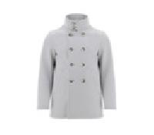 | PE00013UR33379_9209 | Herno | DOWN JACKET | Clothing | FW | M | BLUE | 90% WO 10% WS | IT | € 1410.00 | € 522.22 | 6 |  |  |  |  |  |  |  |  |  |  |  |  |  |  |  |  |  |  |  |  |  |  |  |  |  |  |  |  | 2 | 1 | 2 | 1
 | PI00091UR12017_7745 | Herno | DOWN JACKET | Clothing | FW | M | GREEN | 100% PA | RO | € 595.00 | € 220.37 | 6 |  |  |  |  |  |  |  |  |  |  |  |  |  |  |  |  |  |  |  |  |  |  |  |  |  |  |  |  | 6
 | PI00340UL12806_9394 | Herno | DOWN JACKET | Clothing | FW | M | BLACK GREY | 100% PA | IT | € 1050.00 | € 388.89 | 6 |  |  |  |  |  |  |  |  |  |  |  |  |  |  |  |  |  |  |  |  |  |  |  |  |  |  |  |  | 6
 | MP000116U70061_8800 | Herno | DOWN JACKET | Clothing | FW | M | FONDENT | 100% WO | TR | € 565.00 | € 209.26 | 7 |  |  |  |  |  |  |  |  |  |  |  |  |  |  |  |  |  |  |  |  |  |  |  |  |  |  |  |  | 7
 | MP000123U70162_8600 | Herno | DOWN JACKET | Clothing | FW | M | MUD | 92% WV 7% PL 1% EA | RO | € 850.00 | € 314.81 | 7 |  |  |  |  |  |  |  |  |  |  |  |  |  |  |  |  |  |  |  |  |  |  |  |  |  |  |  |  | 6 | 1
 | PI001043U38087_9490 | Herno | DOWN JACKET | Clothing | FW | M | BLACK | 51% SE 49% WS | IT | € 1885.00 | € 698.15 | 7 |  |  |  |  |  |  |  |  |  |  |  |  |  |  |  |  |  |  |  |  |  |  |  |  |  |  |  |  | 7
 | PI00226UL11106_9217 | Herno | DOWN JACKET | Clothing | FW | M | BLUE | 100% PL | RO | € 845.00 | € 312.96 | 7 |  |  |  |  |  |  |  |  |  |  |  |  |  |  |  |  |  |  |  |  |  |  |  |  |  |  |  |  | 7
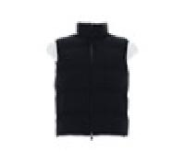 | PI00304UL12590S_9290 | Herno | DOWN JACKET | Clothing | FW | M | BLUE | 89% PA 11% EA | RO | € 825.00 | € 305.56 | 7 |  |  |  |  |  |  |  |  |  |  |  |  |  |  |  |  |  |  |  |  |  |  |  |  |  |  |  |  | 7
 | GA000153U33377_9200 | Herno | DOWN JACKET | Clothing | FW | M | BLUE | 100% WV | IT | € 895.00 | € 331.48 | 8 |  |  |  |  |  |  |  |  |  |  |  |  |  |  |  |  |  |  |  |  |  |  |  |  |  |  |  |  | 8
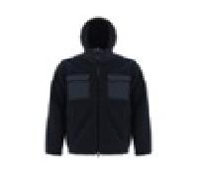 | GI00118UL12804_9200 | Herno | DOWN JACKET | Clothing | FW | M | BLUE | 100% PL | RO | € 755.00 | € 279.63 | 8 |  |  |  |  |  |  |  |  |  |  |  |  |  |  |  |  |  |  |  |  |  |  |  |  |  |  |  |  | 7 | 1
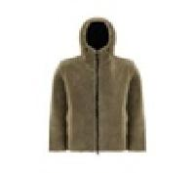 | PA000123U12536_2000 | Herno | DOWN JACKET | Clothing | FW | M | SAND | 100% PL | CN | € 625.00 | € 231.48 | 8 |  |  |  |  |  |  |  |  |  |  |  |  |  |  |  |  |  |  |  |  |  |  |  |  |  |  |  |  | 8
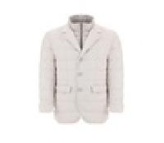 | PI000930U38087_9288 | Herno | DOWN JACKET | Clothing | FW | M | BLUE BROWN | 51% SE 49% WS | IT | € 1750.00 | € 648.15 | 8 |  |  |  |  |  |  |  |  |  |  |  |  |  |  |  |  |  |  |  |  |  |  |  |  |  |  |  | 4 |  | 1 |  | 2 | 1
 | PI001034U12346S_8993 | Herno | DOWN JACKET | Clothing | FW | M | BROWN | 87% PA 13% EA | IT | € 965.00 | € 357.41 | 8 |  |  |  |  |  |  |  |  |  |  |  |  |  |  |  |  |  |  |  |  |  |  |  |  |  |  |  |  | 8
 | PI001040U12414_8993 | Herno | DOWN JACKET | Clothing | FW | M | BROWN | 100% PL | RO | € 780.00 | € 288.89 | 8 |  |  |  |  |  |  |  |  |  |  |  |  |  |  |  |  |  |  |  |  |  |  |  |  |  |  |  |  | 8
 | PI001041U12004_7970 | Herno | DOWN JACKET | Clothing | FW | M | GREEN | 100% PA | RO | € 925.00 | € 342.59 | 8 |  |  |  |  |  |  |  |  |  |  |  |  |  |  |  |  |  |  |  |  |  |  |  |  |  |  |  |  | 8
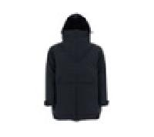 | PI001063U12531_9300 | Herno | DOWN JACKET | Clothing | FW | M | BLACK | 100% PL | RO | € 1045.00 | € 387.04 | 8 |  |  |  |  |  |  |  |  |  |  |  |  |  |  |  |  |  |  |  |  |  |  |  |  |  |  |  |  | 8
 | PI001064U12531_8600 | Herno | DOWN JACKET | Clothing | FW | M | MUD | 100% PL | IT | € 1080.00 | € 400.00 | 8 |  |  |  |  |  |  |  |  |  |  |  |  |  |  |  |  |  |  |  |  |  |  |  |  |  |  |  |  | 8
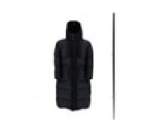 | PI001069U12004_9389 | Herno | DOWN JACKET | Clothing | FW | M | BLACK ESPRESSO | 100% PA | RO | € 1115.00 | € 412.96 | 8 |  |  |  |  |  |  |  |  |  |  |  |  |  |  |  |  |  |  |  |  |  |  |  |  |  |  |  |  | 8
 | PI00305UL12393_9201 | Herno | DOWN JACKET | Clothing | FW | M | BLUE | 100% PL | RO | € 895.00 | € 331.48 | 8 |  |  |  |  |  |  |  |  |  |  |  |  |  |  |  |  |  |  |  |  |  |  |  |  |  |  |  |  | 8
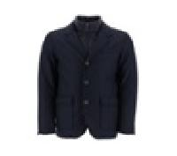 | GA000151U33260_9200 | Herno | DOWN JACKET | Clothing | FW | M | BLUE | 93% WV 7% WS | IT | € 1265.00 | € 468.52 | 9 |  |  |  |  |  |  |  |  |  |  |  |  |  |  |  |  |  |  |  |  |  |  |  |  |  |  | 1 |  | 8
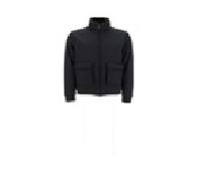 | GI000368U33186_9400 | Herno | DOWN JACKET | Clothing | FW | M | GREY | 100% WV | IT | € 1155.00 | € 427.78 | 9 |  |  |  |  |  |  |  |  |  |  |  |  |  |  |  |  |  |  |  |  |  |  |  |  |  |  |  |  | 9
 | GI00036UR33372_1985 | Herno | DOWN JACKET | Clothing | FW | M | CHANTILLY | 100% WV | IT | € 665.00 | € 246.30 | 9 |  |  |  |  |  |  |  |  |  |  |  |  |  |  |  |  |  |  |  |  |  |  |  |  |  |  |  |  | 6 |  | 2 | 1
 | MC000149U70016_1985 | Herno | DOWN JACKET | Clothing | FW | M | CHANTILLY | 100% WO | MD | € 1195.00 | € 442.59 | 9 |  |  |  |  |  |  |  |  |  |  |  |  |  |  |  |  |  |  |  |  |  |  |  |  |  |  |  |  | 9
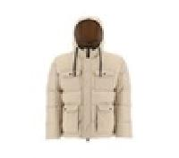 | PI001022U12004_1985 | Herno | DOWN JACKET | Clothing | FW | M | CHANTILLY | 100% PA | RO | € 815.00 | € 301.85 | 9 |  |  |  |  |  |  |  |  |  |  |  |  |  |  |  |  |  |  |  |  |  |  |  |  |  |  |  |  | 9
 | PI001024U12346S_9200 | Herno | DOWN JACKET | Clothing | FW | M | BLUE | 87% PA 13% EA | IT | € 770.00 | € 285.19 | 9 |  |  |  |  |  |  |  |  |  |  |  |  |  |  |  |  |  |  |  |  |  |  |  |  |  |  |  |  | 9
 | PI001029U12346S_8600 | Herno | DOWN JACKET | Clothing | FW | M | MUD | 87% PA 13% EA | IT | € 845.00 | € 312.96 | 9 |  |  |  |  |  |  |  |  |  |  |  |  |  |  |  |  |  |  |  |  |  |  |  |  |  |  |  |  | 9
 | PI001030U12522_9200 | Herno | DOWN JACKET | Clothing | FW | M | BLUE | 100% PL | IT | € 895.00 | € 331.48 | 9 |  |  |  |  |  |  |  |  |  |  |  |  |  |  |  |  |  |  |  |  |  |  |  |  |  |  |  |  | 8 |  |  |  | 1
 | PI001037U38087_1200 | Herno | DOWN JACKET | Clothing | FW | M | IVORY | 51% SE 49% WS | IT | € 2135.00 | € 790.74 | 9 |  |  |  |  |  |  |  |  |  |  |  |  |  |  |  |  |  |  |  |  |  |  |  |  |  |  |  |  | 9
 | PI001046U38087_5880 | Herno | DOWN JACKET | Clothing | FW | M | ORANGE | 51% SE 49% WS | IT | € 1885.00 | € 698.15 | 9 |  |  |  |  |  |  |  |  |  |  |  |  |  |  |  |  |  |  |  |  |  |  |  |  |  |  |  |  | 9
 | PI001054U12403_9393 | Herno | DOWN JACKET | Clothing | FW | M | BLACK | 100% PA | RO | € 1020.00 | € 377.78 | 9 |  |  |  |  |  |  |  |  |  |  |  |  |  |  |  |  |  |  |  |  |  |  |  |  |  |  |  |  | 9
 | PI001078U12414_2720 | Herno | DOWN JACKET | Clothing | FW | M | DOVE GREY | 100% PL | RO | € 975.00 | € 361.11 | 9 |  |  |  |  |  |  |  |  |  |  |  |  |  |  |  |  |  |  |  |  |  |  |  |  |  |  |  |  | 7 | 1 | 1
 | PI001097U38087_1200 | Herno | DOWN JACKET | Clothing | FW | M | IVORY | 51% SE 49% WS | IT | € 1995.00 | € 738.89 | 9 |  |  |  |  |  |  |  |  |  |  |  |  |  |  |  |  |  |  |  |  |  |  |  |  |  |  |  |  | 9
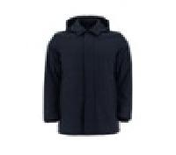 | PI00268UL12393_9201 | Herno | DOWN JACKET | Clothing | FW | M | BLUE | 100% PL | RO | € 795.00 | € 294.44 | 9 |  |  |  |  |  |  |  |  |  |  |  |  |  |  |  |  |  |  |  |  |  |  |  |  |  |  |  | 1 | 8
 | PI00296UL11106_1250 | Herno | DOWN JACKET | Clothing | FW | M | ICE | 100% PL | RO | € 935.00 | € 346.30 | 9 |  |  |  |  |  |  |  |  |  |  |  |  |  |  |  |  |  |  |  |  |  |  |  |  |  |  |  |  | 9
 | PI00303UL12393_9217 | Herno | DOWN JACKET | Clothing | FW | M | BLUE | 100% PL | RO | € 750.00 | € 277.78 | 9 |  |  |  |  |  |  |  |  |  |  |  |  |  |  |  |  |  |  |  |  |  |  |  |  |  |  |  |  | 9
 | PI00313UL12592_1250 | Herno | DOWN JACKET | Clothing | FW | M | ICE | 100% PL | RO | € 1195.00 | € 442.59 | 9 |  |  |  |  |  |  |  |  |  |  |  |  |  |  |  |  |  |  |  |  |  |  |  |  |  |  |  |  | 9
 | PI00315UL12692_9201 | Herno | DOWN JACKET | Clothing | FW | M | BLUE | 100% PL | RO | € 955.00 | € 353.70 | 9 |  |  |  |  |  |  |  |  |  |  |  |  |  |  |  |  |  |  |  |  |  |  |  |  |  |  |  |  | 9
 | PI00323UL11123_9217 | Herno | DOWN JACKET | Clothing | FW | M | BLUE | 100% PL | RO | € 885.00 | € 327.78 | 9 |  |  |  |  |  |  |  |  |  |  |  |  |  |  |  |  |  |  |  |  |  |  |  |  |  |  |  |  | 9
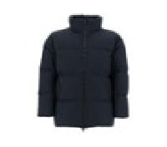 | PI00324UL11106_9290 | Herno | DOWN JACKET | Clothing | FW | M | BLUE | 100% PL | RO | € 885.00 | € 327.78 | 9 |  |  |  |  |  |  |  |  |  |  |  |  |  |  |  |  |  |  |  |  |  |  |  |  |  |  |  |  | 9
 | PI00329UL12695_9290 | Herno | DOWN JACKET | Clothing | FW | M | BLUE | 100% PA | RO | € 1015.00 | € 375.93 | 9 |  |  |  |  |  |  |  |  |  |  |  |  |  |  |  |  |  |  |  |  |  |  |  |  |  |  |  |  | 8 |  | 1
 | PI00330UL12393_9201 | Herno | DOWN JACKET | Clothing | FW | M | BLUE | 100% PL | RO | € 715.00 | € 264.81 | 9 |  |  |  |  |  |  |  |  |  |  |  |  |  |  |  |  |  |  |  |  |  |  |  |  |  |  | 3 |  | 6
 | PI00331UL12692_9217 | Herno | DOWN JACKET | Clothing | FW | M | BLUE | 100% PL | RO | € 865.00 | € 320.37 | 9 |  |  |  |  |  |  |  |  |  |  |  |  |  |  |  |  |  |  |  |  |  |  |  |  |  |  |  |  | 9
 | PI00332UL12592_9201 | Herno | DOWN JACKET | Clothing | FW | M | BLUE | 100% PL | RO | € 1290.00 | € 477.78 | 9 |  |  |  |  |  |  |  |  |  |  |  |  |  |  |  |  |  |  |  |  |  |  |  |  |  |  |  |  | 9
 | PI00334UL11123_1250 | Herno | DOWN JACKET | Clothing | FW | M | ICE | 100% PL | RO | € 1070.00 | € 396.30 | 9 |  |  |  |  |  |  |  |  |  |  |  |  |  |  |  |  |  |  |  |  |  |  |  |  |  |  |  |  | 9
 | PI00339UL12807_9290 | Herno | DOWN JACKET | Clothing | FW | M | BLUE | 100% PL | RO | € 825.00 | € 305.56 | 9 |  |  |  |  |  |  |  |  |  |  |  |  |  |  |  |  |  |  |  |  |  |  |  |  |  |  |  |  | 9
 | PI0767U12403_6900 | Herno | DOWN JACKET | Clothing | FW | M | BAROLO | 100% PA | RO | € 615.00 | € 227.78 | 9 |  |  |  |  |  |  |  |  |  |  |  |  |  |  |  |  |  |  |  |  |  |  |  |  |  |  |  |  | 9
 | GI00034UR12431S_7730 | Herno | DOWN JACKET | Clothing | FW | M | MILITARY | 86% PA 14% EA | IT | € 680.00 | € 251.85 | 10 |  |  |  |  |  |  |  |  |  |  |  |  |  |  |  |  |  |  |  |  |  |  |  |  |  |  |  |  | 7 | 1 |  | 1 | 1
 | GI000365U33318_9300 | Herno | DOWN JACKET | Clothing | FW | M | BLACK | 90% WV 10% WS | IT | € 940.00 | € 348.15 | 10 |  |  |  |  |  |  |  |  |  |  |  |  |  |  |  |  |  |  |  |  |  |  |  |  |  |  |  |  | 10
 | GI000376U39501_9290 | Herno | DOWN JACKET | Clothing | FW | M | BLUE | 100% VI | IT | € 935.00 | € 346.30 | 10 |  |  |  |  |  |  |  |  |  |  |  |  |  |  |  |  |  |  |  |  |  |  |  |  |  |  |  |  | 10
 | MP000124U70120_7730 | Herno | DOWN JACKET | Clothing | FW | M | MILITARY | 70% WV 30% WS | MD | € 915.00 | € 338.89 | 10 |  |  |  |  |  |  |  |  |  |  |  |  |  |  |  |  |  |  |  |  |  |  |  |  |  |  |  |  | 8 |  | 2
 | PI000930U38087_7728 | Herno | DOWN JACKET | Clothing | FW | M | 7728 | 51% SE 49% WS | IT | € 1750.00 | € 648.15 | 10 |  |  |  |  |  |  |  |  |  |  |  |  |  |  |  |  |  |  |  |  |  |  |  |  |  |  |  |  | 9 | 1
 | PI001013U12500_7740 | Herno | DOWN JACKET | Clothing | FW | M | MILITARY | 100% PA | RO | € 865.00 | € 320.37 | 10 |  |  |  |  |  |  |  |  |  |  |  |  |  |  |  |  |  |  |  |  |  |  |  |  |  |  |  |  | 10
 | PI001020U33278_9200 | Herno | DOWN JACKET | Clothing | FW | M | BLUE | 70% VI 30% WV | RO | € 965.00 | € 357.41 | 10 |  |  |  |  |  |  |  |  |  |  |  |  |  |  |  |  |  |  |  |  |  |  |  |  |  |  |  |  | 10
 | PI001021U12020_2600 | Herno | DOWN JACKET | Clothing | FW | M | DOVE GREY | 100% PA | RO | € 835.00 | € 309.26 | 10 |  |  |  |  |  |  |  |  |  |  |  |  |  |  |  |  |  |  |  |  |  |  |  |  |  |  |  |  | 10
 | PI001027U38087_1985 | Herno | DOWN JACKET | Clothing | FW | M | CHANTILLY | 51% SE 49% WS | IT | € 1695.00 | € 627.78 | 10 |  |  |  |  |  |  |  |  |  |  |  |  |  |  |  |  |  |  |  |  |  |  |  |  |  |  |  |  | 10
 | PI001028U33278_9200 | Herno | DOWN JACKET | Clothing | FW | M | BLUE | 70% VI 30% WV | RO | € 985.00 | € 364.81 | 10 |  |  |  |  |  |  |  |  |  |  |  |  |  |  |  |  |  |  |  |  |  |  |  |  |  |  |  | 1 | 7 |  | 1 | 1
 | PI001042U12004_9200 | Herno | DOWN JACKET | Clothing | FW | M | BLUE | 100% PA | RO | € 715.00 | € 264.81 | 10 |  |  |  |  |  |  |  |  |  |  |  |  |  |  |  |  |  |  |  |  |  |  |  |  |  |  |  |  | 10
 | PI001044U19288_9200 | Herno | DOWN JACKET | Clothing | FW | M | BLUE | 100% PA | RO | € 915.00 | € 338.89 | 10 |  |  |  |  |  |  |  |  |  |  |  |  |  |  |  |  |  |  |  |  |  |  |  |  |  |  |  |  | 10
 | PI001058U12552P_9399 | Herno | DOWN JACKET | Clothing | FW | M | BLACK MULTICOLOR | 100% PL | IT | € 975.00 | € 361.11 | 10 |  |  |  |  |  |  |  |  |  |  |  |  |  |  |  |  |  |  |  |  |  |  |  |  |  |  |  | 1 | 9
 | PI001067U12526_7740 | Herno | DOWN JACKET | Clothing | FW | M | MILITARY | 100% PA | RO | € 895.00 | € 331.48 | 10 |  |  |  |  |  |  |  |  |  |  |  |  |  |  |  |  |  |  |  |  |  |  |  |  |  |  |  |  | 10
 | PI001073U12217S_9280 | Herno | DOWN JACKET | Clothing | FW | M | BLUE | 71% PA 29% EA | RO | € 865.00 | € 320.37 | 10 |  |  |  |  |  |  |  |  |  |  |  |  |  |  |  |  |  |  |  |  |  |  |  |  |  |  |  |  | 7 | 2 |  | 1
 | PI001074U19288_9300 | Herno | DOWN JACKET | Clothing | FW | M | BLACK | 100% PA | RO | € 795.00 | € 294.44 | 10 |  |  |  |  |  |  |  |  |  |  |  |  |  |  |  |  |  |  |  |  |  |  |  |  |  |  |  |  | 10
 | PI001077U17127_9406 | Herno | DOWN JACKET | Clothing | FW | M | GREY | 100% SE | RO | € 1665.00 | € 616.67 | 10 |  |  |  |  |  |  |  |  |  |  |  |  |  |  |  |  |  |  |  |  |  |  |  |  |  |  |  |  | 10
 | PI001085U13169_9200 | Herno | DOWN JACKET | Clothing | FW | M | BLUE | 100% CO | RO | € 795.00 | € 294.44 | 10 |  |  |  |  |  |  |  |  |  |  |  |  |  |  |  |  |  |  |  |  |  |  |  |  |  |  |  |  | 10
 | PI001088U33376R_7740 | Herno | DOWN JACKET | Clothing | FW | M | MILITARY | 55% WO 29% PL 8% PA 7% SE 1% EA | RO | € 1035.00 | € 383.33 | 10 |  |  |  |  |  |  |  |  |  |  |  |  |  |  |  |  |  |  |  |  |  |  |  |  |  |  |  |  | 10
 | PI001091U12004_7970 | Herno | DOWN JACKET | Clothing | FW | M | GREEN | 100% PA | RO | € 755.00 | € 279.63 | 10 |  |  |  |  |  |  |  |  |  |  |  |  |  |  |  |  |  |  |  |  |  |  |  |  |  |  |  |  | 10
 | PI001093U12530_2000 | Herno | DOWN JACKET | Clothing | FW | M | SAND | 100% PA | RO | € 750.00 | € 277.78 | 10 |  |  |  |  |  |  |  |  |  |  |  |  |  |  |  |  |  |  |  |  |  |  |  |  |  |  |  |  | 10
 | GI000375U12538_1985 | Herno | DOWN JACKET | Clothing | FW | M | CHANTILLY | 92% PL 8% EA | IT | € 780.00 | € 288.89 | 11 |  |  |  |  |  |  |  |  |  |  |  |  |  |  |  |  |  |  |  |  |  |  |  |  |  |  |  | 1 | 10
 | PE00013UR33379_1985 | Herno | DOWN JACKET | Clothing | FW | M | CHANTILLY | 90% WO 10% WS | IT | € 1410.00 | € 522.22 | 11 |  |  |  |  |  |  |  |  |  |  |  |  |  |  |  |  |  |  |  |  |  |  |  |  |  |  |  | 2 | 3 | 4 | 1 | 1
 | PI00093UR12017_1310 | Herno | DOWN JACKET | Clothing | FW | M | ICE | 100% PA | RO | € 695.00 | € 257.41 | 11 |  | 1 |  |  |  |  |  |  |  |  |  |  |  |  |  |  |  |  |  |  |  |  |  |  |  |  |  |  | 8 | 1 |  | 1
 | PI001032U19288_7970 | Herno | DOWN JACKET | Clothing | FW | M | GREEN | 100% PA | RO | € 855.00 | € 316.67 | 11 |  |  |  |  |  |  |  |  |  |  |  |  |  |  |  |  |  |  |  |  |  |  |  |  |  |  |  |  | 11
 | PI001079U12220_9243 | Herno | DOWN JACKET | Clothing | FW | M | BLUE | 100% PA | AM | € 635.00 | € 235.19 | 11 |  |  |  |  |  |  |  |  |  |  |  |  |  |  |  |  |  |  |  |  |  |  |  |  |  |  |  | 2 | 5 | 3 |  |  | 1
 | PI00322UL11106_9290 | Herno | DOWN JACKET | Clothing | FW | M | BLUE | 100% PL | RO | € 835.00 | € 309.26 | 11 |  |  |  |  |  |  |  |  |  |  |  |  |  |  |  |  |  |  |  |  |  |  |  |  |  |  |  | 1 | 9 | 1
 | PI00331UL12692_1250 | Herno | DOWN JACKET | Clothing | FW | M | ICE | 100% PL | IT | € 865.00 | € 320.37 | 11 |  |  |  |  |  |  |  |  |  |  |  |  |  |  |  |  |  |  |  |  |  |  |  |  |  |  | 1 | 1 | 2 | 2 | 3 | 2
 | MP000122U70150_1985 | Herno | DOWN JACKET | Clothing | FW | M | CHANTILLY | 100% WV | TR | € 765.00 | € 283.33 | 12 |  |  |  |  |  |  |  |  |  |  |  |  |  |  |  |  |  |  |  |  |  |  |  |  |  |  |  |  | 9 | 3
 | PI001098U12531_9200 | Herno | DOWN JACKET | Clothing | FW | M | BLUE | 100% PL | IT | € 925.00 | € 342.59 | 12 |  |  |  |  |  |  |  |  |  |  |  |  |  |  |  |  |  |  |  |  |  |  |  |  |  |  |  |  | 10 |  |  | 2
 | PI141UL11106_1250 | Herno | DOWN JACKET | Clothing | FW | M | ICE | 100% PL | RO | € 895.00 | € 331.48 | 12 |  |  |  |  |  |  |  |  |  |  |  |  |  |  |  |  |  |  |  |  |  |  |  |  |  |  |  | 3 | 2 | 5 | 2
 | PI000930U38087_9410 | Herno | DOWN JACKET | Clothing | FW | M | GREY | 51% SE 49% WS | IT | € 1750.00 | € 648.15 | 13 |  |  |  |  |  |  |  |  |  |  |  |  |  |  |  |  |  |  |  |  |  |  |  |  |  |  | 1 | 3 | 3 | 3 |  | 1 | 1 | 1
 | PI001084U13169_9200 | Herno | DOWN JACKET | Clothing | FW | M | BLUE | 100% CO | RO | € 795.00 | € 294.44 | 13 |  |  |  |  |  |  |  |  |  |  |  |  |  |  |  |  |  |  |  |  |  |  |  |  |  |  | 1 | 1 | 11
 | PI00320UL12695_9217 | Herno | DOWN JACKET | Clothing | FW | M | BLUE | 100% PA | RO | € 825.00 | € 305.56 | 13 |  |  |  |  |  |  |  |  |  |  |  |  |  |  |  |  |  |  |  |  |  |  |  |  |  |  |  |  | 10 | 1 | 1 | 1
 | FI000101U12531_8600 | Herno | DOWN JACKET | Clothing | FW | M | MUD | 100% PL | IT | € 710.00 | € 262.96 | 14 |  |  |  |  |  |  |  |  |  |  |  |  |  |  |  |  |  |  |  |  |  |  |  |  |  |  |  |  | 12 | 1 | 1
 | PI00088UR12431S_1985 | Herno | DOWN JACKET | Clothing | FW | M | CHANTILLY | 86% PA 14% EA | RO | € 755.00 | € 279.63 | 14 |  |  |  |  |  |  |  |  |  |  |  |  |  |  |  |  |  |  |  |  |  |  |  |  |  |  |  |  | 7 | 1 | 3 | 1 | 1 | 1
 | ML00002UL76027_9200 | Herno | DOWN JACKET | Clothing | FW | M | BLUE | 50% PA 38% VI 12% WO | IT | € 825.00 | € 305.56 | 15 |  |  |  |  |  |  |  |  |  |  |  |  |  |  |  |  |  |  |  |  |  |  |  |  |  |  | 1 | 1 | 11 | 1 | 1
 | PI00089UR12431S_7730 | Herno | DOWN JACKET | Clothing | FW | M | MILITARY | 86% PA 14% EA | RO | € 785.00 | € 290.74 | 19 |  |  |  |  |  |  |  |  |  |  |  |  |  |  |  |  |  |  |  |  |  |  |  |  |  |  |  | 2 | 10 | 3 | 2 | 1 | 1
 | PI001065U12020_4745 | Herno | DOWN JACKET | Clothing | FW | M | PURPLE | 100% PA | IT | € 995.00 | € 368.52 | 19 |  |  |  |  |  |  |  |  |  |  |  |  |  |  |  |  |  |  |  |  |  |  |  |  |  |  |  | 2 | 12 | 4 | 1
 | PI001086U19288_1000 | Herno | DOWN JACKET | Clothing | FW | M | WHITE | 100% PA | RO | € 870.00 | € 322.22 | 20 |  |  |  |  |  |  |  |  |  |  |  |  |  |  |  |  |  |  |  |  |  |  |  |  |  |  | 1 | 3 | 14 | 2
 | PI00311UL11123_1250 | Herno | DOWN JACKET | Clothing | FW | M | ICE | 100% PL | RO | € 745.00 | € 275.93 | 20 |  |  |  |  |  |  |  |  |  |  |  |  |  |  |  |  |  |  |  |  |  |  |  |  |  |  |  |  | 9 | 6 | 4 | 1
 | PI001019U12414_5880 | Herno | DOWN JACKET | Clothing | FW | M | ORANGE | 100% PL | RO | € 755.00 | € 279.63 | 27 |  |  |  |  |  |  |  |  |  |  |  |  |  |  |  |  |  |  |  |  |  |  |  |  |  |  | 3 | 3 | 14 | 4 | 3
 | PI0766U12403_1985 | Herno | DOWN JACKET | Clothing | FW | M | CHANTILLY | 100% PA | IT | € 710.00 | € 262.96 | 27 |  |  |  |  |  |  |  |  |  |  |  |  |  |  |  |  |  |  |  |  |  |  |  |  |  |  |  | 10 | 7 | 4 | 4 | 1 |  | 1
 | PI001079U12220_1985 | Herno | DOWN JACKET | Clothing | FW | M | CHANTILLY | 100% PA | AM | € 635.00 | € 235.19 | 28 |  |  |  |  |  |  |  |  |  |  |  |  |  |  |  |  |  |  |  | 1 |  |  |  | 1 |  |  |  | 6 | 1 | 3 | 12 | 4
 | GI000366U38020_5880 | Herno | DOWN JACKET | Clothing | FW | M | ORANGE | 100% WS | IT | € 1645.00 | € 609.26 | 31 |  |  |  |  |  |  |  |  |  |  |  |  |  |  |  |  |  |  |  |  |  |  |  | 1 |  |  |  | 6 | 13 | 6 | 3 | 2
 | PI001079U12220_7970 | Herno | DOWN JACKET | Clothing | FW | M | GREEN | 100% PA | RO | € 635.00 | € 235.19 | 43 |  |  |  |  |  |  |  |  |  |  |  |  |  |  |  |  |  |  |  |  |  |  |  |  |  |  |  | 12 | 14 | 13 | 4
 | PI001079U12220_6900 | Herno | DOWN JACKET | Clothing | FW | M | BAROLO | 100% PA | AM | € 635.00 | € 235.19 | 70 |  |  |  |  |  |  |  |  |  |  |  |  |  |  |  |  |  |  |  |  |  |  |  |  |  |  | 9 | 17 | 21 | 11 | 9 | 3
 | PI00321UL11106_9290 | Herno | DOWN VEST | Clothing | FW | M | BLUE | 100% PL | RO | € 695.00 | € 257.41 | 3 |  |  |  |  |  |  |  |  |  |  |  |  |  |  |  |  |  |  |  |  |  |  |  |  |  |  |  |  |  |  | 1 | 1 | 1
 | PI001095U12020_9200 | Herno | DOWN VEST | Clothing | FW | M | BLUE | 100% PA | RO | € 790.00 | € 292.59 | 9 |  |  |  |  |  |  |  |  |  |  |  |  |  |  |  |  |  |  |  |  |  |  |  |  |  |  |  |  | 9
 | PI00321UL11106_9217 | Herno | DOWN VEST | Clothing | FW | M | BLUE | 100% PL | RO | € 695.00 | € 257.41 | 14 |  |  |  |  |  |  |  |  |  |  |  |  |  |  |  |  |  |  |  |  |  |  |  |  |  |  |  |  | 9 | 2 | 2 | 1
...

